DC Process Flow
Port Said ( Dc ) Main Location

 | 1- Colleting Area منطقة تجميع البرتات | 2- Picking Area منطقة ادخال البرتات علي السيستم | 3- Packing Area منطقة تعبئبة المنتج | 4- FG Ready to ship area منطقة المنتج التام

 | تستخدم هذه المنطقة لتجميع كل البرتات المطلوبة في الاوردر بعناية قبل ادراجها علي سيستم المخزن | تستخدم هذه المنطقة لادخال كل ماتم تجميعه في المرحلة السابقة علي سيستم المخزن مع مطابقة الكميات مع الاوردر | تستخدم هذه المنطقة لتعبئة كل ماتم استلامه علي السيسم في بالتات مع مراعة تعليمات التشغيل لكل نوع ضفيرة | تستخدم هذه المنطقة لوضع المنتج النهائي قبل الشحن حسب تاريخ التحميل المعلن من قبل فريق التخطيط

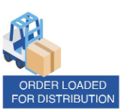
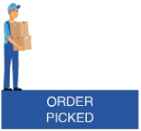
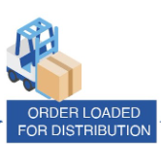
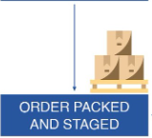

Port Said ( Dc ) Process Flow

OK >> WMS Contoroller reserve full order to start pick process

Order Recieving
OK N.OK
Picking Process according to reserved orders
Packing Shipping
Check FG ( Stock ) available or not

N.OK >> Reserve availabel Qty from total order

